1. Title Page
Project Name: Instacart Grocery Basket Analysis
Date: 29.06.2023
Analyst Name: Shruti Garka

Contents:
Population Flow
Consistency checks
Wrangling steps
Column derivations
Visualizations
Recommendations

Data Citation:
“The Instacart Online Grocery Shopping Dataset 2017”, Accessed from www.instacart.com/datasets/grocery-shopping-2017 via Kaggle on June 10, 2023.

2. Population Flow
Population flow
Total:32434489
Total:32404859
Total: 32404859
Orders_products_combined
Orders_products_merged
Orders_products_all

Exclusion flag
Condition: max_order < =100
Obervations to be removed: 1440295
Final total count of order_products_all: 30964564

1.) The grey boxes in the first row of the population flow represent the original data sets as they were when you downloaded them. In the Total fields you need to add the count of the rows when you imported the data set into Jupyter.
2.) The second row of boxes (coloured) represents the data sets after you manipulated them, e.g., removed missing values and duplicates. In the Total fields you need to add the count of the rows after conducting these operations. This offers a visual oveview of how the data flows throughout the data consistency checks.
3.) The third row, where also the arrows are coloured, represents the merges you performed between the datasets. In the Total fields you need to add the count of the rows in the merged datasets, so that you end up with the final dataset (in the red box). Keep in mind the final dataset should be without exclusions (based on the exclusion flag).

3. Consistency checks
 |  |  |  | Title page
Consistency checks

Dataset | Missing values | Missing values treatment | Duplicates
orders | 2,06,209 from 'days_since_prior_order' | Leave them as such since it indicates the customer's first order with Instacart | No duplicates found
products | 16 from 'product_name' | Create new df without missing values | 5 duplicates were found and removed
orders_products_prior | No missing values | N/A | No duplicates found
customers | 11259 from 'First Name' | Leave them as such since there is no correct source to fill them in | No duplicates found

4. Wrangling steps
 |  |  |  | Title page
Wrangling steps

Columns dropped | Columns renamed | Columns' type changed | Comment/Reason
eval_set from orders.csv |  |  | Not needed in dataframe for analysis
 | order_dow from orders.csv |  | Renamed to orders_day_of_week for clarity
 |  | order_id from orders.csv | Changed from numeric to string
 |  | user_id from orders.csv | Changed from numeric to string
 | Surnam from customers.csv |  | Renamed to 'Last Name' for clarity
 | STATE from customers.csv |  | Renamed to 'State'
 |  | First Name from customers.csv | Changed from mixed data type to string
First Name from customers.csv |  |  | Dropped because it is PII data
Last Name from customers.csv |  |  | Dropped because it is PII data

5. Column derivations
 |  |  |  |  |  | Title page
Column derivations and aggregations

Dataset | New column | Column/s it was derived from | Conditions | Frequency | Script Location
df_orders_products_merged | price_range_loc | prices | prices <= 5 are 'Low range product' | 9900417 | 4.7 Deriving New Variables
df_orders_products_merged | price_range_loc | prices | prices > 5 and <= 15 are 'Mid range product' | 21860860
df_orders_products_merged | price_range_loc | prices | prices > 15 are 'High range product' | 643582

df_orders_products_merged | busiest_day | orders_day_of_week | The busiest day is 'Busiest day' | 6204182 | 4.7 Deriving New Variables
df_orders_products_merged | busiest_day | orders_day_of_week | The least busy day is 'Least busy' | 3783802
df_orders_products_merged | busiest_day | orders_day_of_week | All other days are 'Regularly busy' | 22416875

df_orders_products_merged | busiest_days | orders_day_of_week | The 2 busiest days are 'Busiest days' | 11864412 | 4.7 Deriving New Variables
df_orders_products_merged | busiest_days | orders_day_of_week | The 2 least busy days are 'Least busy days' | 7624336
df_orders_products_merged | busiest_days | orders_day_of_week | All other days are 'Regularly busy' | 12916111

df_orders_products_merged | busiest_period_of_day | order_hour_of_day | The 8 hours with the most orders are 'Most orders' | 21118071 | 4.7 Deriving New Variables
df_orders_products_merged | busiest_period_of_day | order_hour_of_day | The 8 hours with the least orders are 'Fewest orders' | 1289137
df_orders_products_merged | busiest_period_of_day | order_hour_of_day | The remaining 8 hours are 'Average orders' | 9997651

ords_prods_merge | loyalty_flag | max_order | max_order > 40 is 'Loyal customer' | 10284093 | 4.8 Grouping Data & Aggregating Variables
ords_prods_merge | loyalty_flag | max_order | max_order > 10 and <= 40 is 'Regular customer' | 15876776
ords_prods_merge | loyalty_flag | max_order | max_order <= 10 is 'New customer' | 6243990

ords_prods_merge | spending_flag | mean_price | mean_price < 10 is 'Low spender' | 31770614 | 4.8 Grouping Data & Aggregating Variables
ords_prods_merge | spending_flag | mean_price | mean_price >= 10 is 'High spender' | 634245

ords_prods_merge | frequency_flag | median_days_since_last_order | median > 20 is 'Non-frequent customer' | 3636437 | 4.8 Grouping Data & Aggregating Variables
ords_prods_merge | frequency_flag | median_days_since_last_order | median > 10 and <= 20 is 'Regular customer | 7208564
ords_prods_merge | frequency_flag | median_days_since_last_order | median <= 10 is 'Frequent customer' | 21559853

cust_ords_prods | region | State | Northeast | 5722736 | Task 4.10 Part 1a
cust_ords_prods | region | State | Midwest | 7597325
cust_ords_prods | region | State | South | 10791885
cust_ords_prods | region | State | West | 8292913

cust_ords_prods | customer_activity | max_order | max_order >= 5 is 'High-activity' | 30964564 | Task 4.10 Part 1a
cust_ords_prods | customer_activity | max_order | max_order < 5 is 'Low-activity' | 1440295

df_high_activity_cust | age_flag | Age | Age >= 60 is 'Senior' | 10574504 | Task 4.10 Part 1b
df_high_activity_cust | age_flag | Age | Age >= 45 and < 60 is 'Middle Age' | 7311091
df_high_activity_cust | age_flag | Age | Age >= 26 and < 45 is 'Adult' | 9214451
df_high_activity_cust | age_flag | Age | Age < 26 is 'Young adult' | 3864518

df_merged | income_flag | income | income <= 50000 is 'Low income' | 3362554 | Task 4.10 Part 1b
df_merged | income_flag | income | income > 50000 and <= 150000 is 'Middle income' | 23707476
df_merged | income_flag | income | income > 150000 is 'High income' | 3894534

df_merged | role_flag | n_dependants | n_dependants == 0 is 'Individual' | 7739681 | Task 4.10 Part 1b
df_merged | role_flag | n_dependants | n_dependants != 0 is 'Caregiver' | 23224883

6. Visualizations
Visualizations

In this tab you should include all the visualtions from Exercises 4.9 and 4.10, alongside the questions from the project brief that they answer. Include any commentary on the relationship between different variables.

 | Key Questions

1. What are the busiest days of the week?

 | Distribution of Sales over days of week
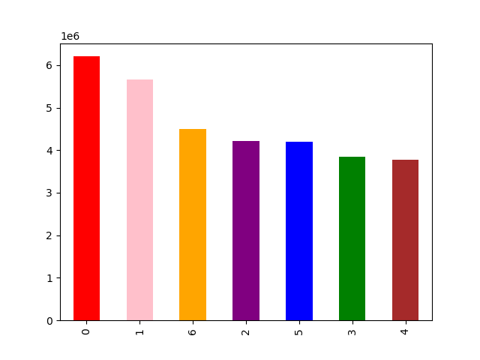

 |  |  |  | 0 = Saturday
 |  |  |  | 1 = Sunday
 |  |  |  | 2 = Monday
 |  |  |  | 3 = Tuesday
 |  |  |  | 4 = Wednesday
 |  |  |  | 5 = Thursday
 |  |  |  | 6 = Friday

 |  |  |  | x-axis represents days of week
 |  |  |  | y-axis represents number of orders

 |  |  |  | Saturday and Sunday are the busiest days of the week

2. What are the busiest hours of the day?

 | Distribution of Sales by hours of the day

 |  |  |  | x- axis represents the hours of the day
 |  |  |  | y-axis represents the frequency of orders

 |  |  |  | Busiest hours of the day is between 10am-3pm

3. Are there particular times of the day when people spend the most money?

 | Visualizing Hourly Price Distribution of Orders

 |  |  |  | x-axis represents the hours of the day
 |  |  |  | y-axis represents the order prices

 |  |  |  | Most of the money is spent during 3-9 am in the mornings

4. Instacart has many products with different price tags. Marketing and sales wants to use simpler price range groupings to help direct their efforts.

 | Distribution of sales by prices


 |  |  |  | x- axis represents the price of the order
 |  |  |  | y-axis represents the frequency of the order

 |  |  |  | Grouping | Condition
 |  |  |  | Low-range product | < $5
 |  |  |  | Mid-range product | $5-$15
 |  |  |  | High-range product | >$15

 |  |  |  | They can be grouped as above

5. Which departments have the highest frequency of product orders?

 | Distribution of sales by department
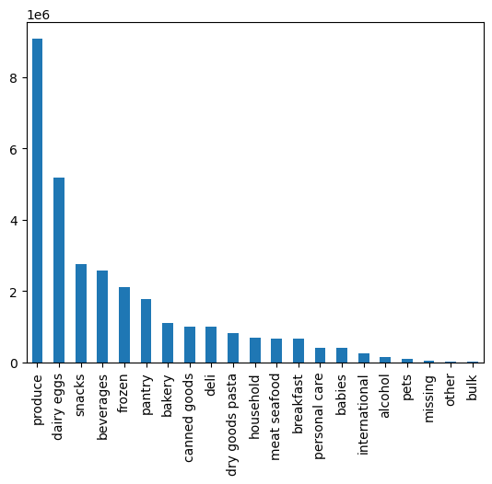

 |  |  |  | x-axis represents departments
 |  |  |  | y-axis represents number of orders

 |  |  |  | Produce and dairy eggs are the top 2 departments with high frequency of orders

6. What is the distribution among users in regards to their brand loyalty?

 | Distribution among customers based on loyalty flag
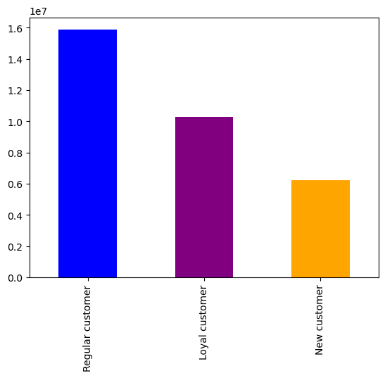

 |  |  |  | x-axis represents the customers group
 |  |  |  | y-axis represents the frequency of orders

 |  |  |  | Regular customers -> 10-40 orders
 |  |  |  | Loyal customers -> more than 40 orders
 |  |  |  | New customers -> less than 10 orders

7. Are there differences in ordering habits based on a customer's loyalty status?

 | Almost all loyal customers (99.96%) are frequent customers, showing strong loyalty.
 | None of the loyal customers are non-frequent customers.
 | The majority of regular customers (61%) are frequent customers.
 | For new customers, the majority (41%) are non-frequent customers.
 | Loyal customers have a higher percentage of high spenders compared to regular and new customers.

8. Are there differences in ordering habits based on a customer's region?

 | No significant differences were observed in ordering habits based on region

9. Is there a connection between age and family status in terms of ordering habits?
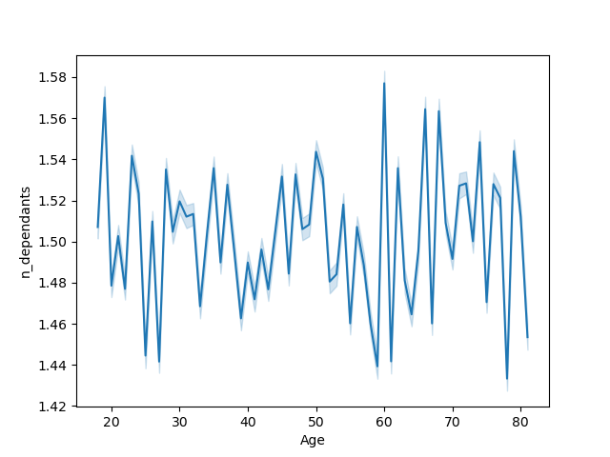
 |  |  |  | There is no clear significant correlation between age and no. Of dependants.
 |  |  |  | But when looked in depth, people with young age seem to have dependents compared to the adults

10. What different classifications does the demographic information suggest?

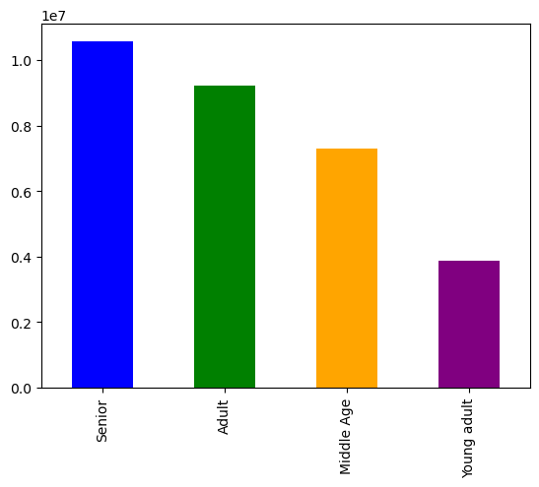
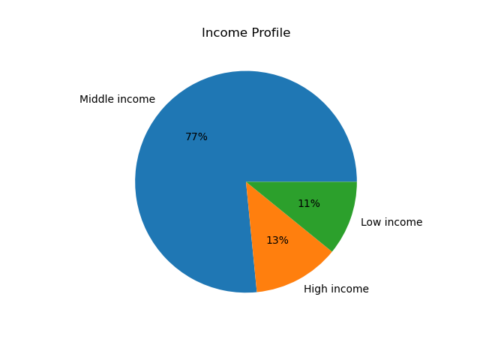
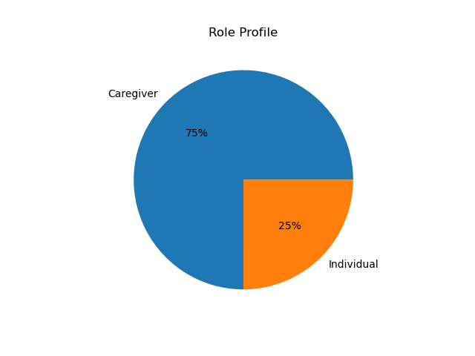
Age Profile

 | The customers can be grouped based on their age, income and role profile.

11. What differences can you find in ordering habits of different customer profiles?

 | By region:

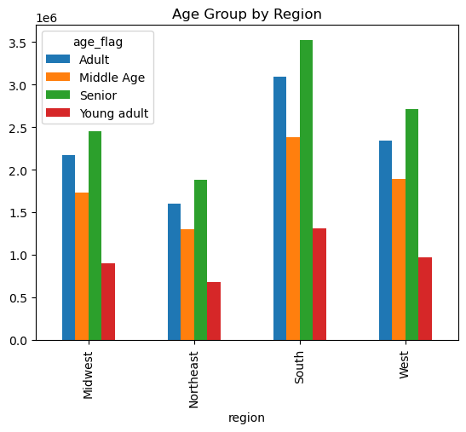
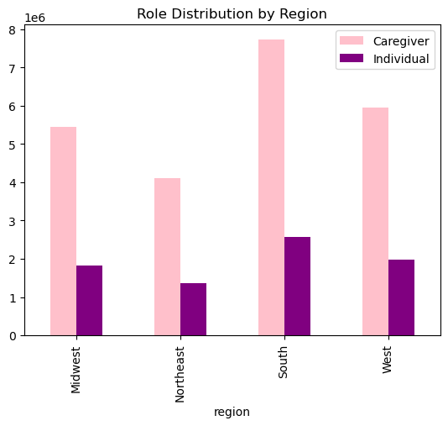

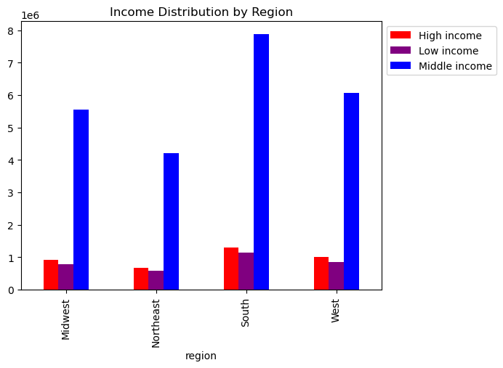

 | Age profile: There are majority of Seniors in each region. The South region has the highest number of customers across all age groups followed by West region. |  | Income profile: Middle income customers are present in majority in all regions. The South region has the highest number of customers across all income groups followed by West region. |  |  | Role profile: Caregivers are present in high numbers in all regions compared to Individual. The highest number of customers across both roles are present in South followed by West region.

 | By department:
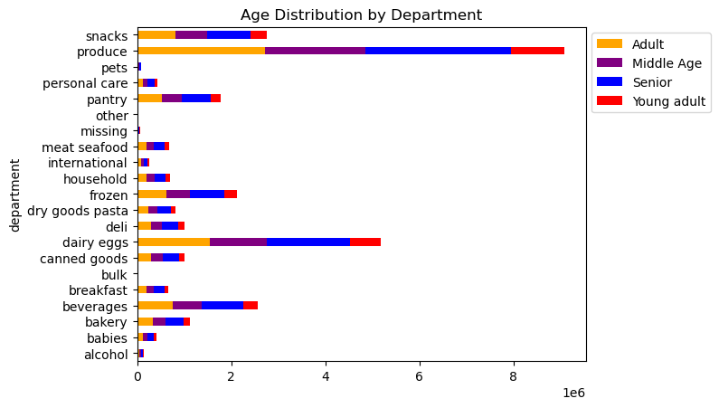
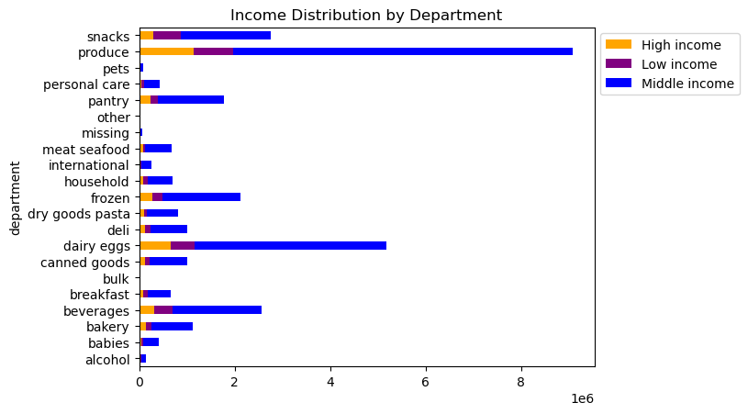

 |  |  |  |  | Income profile: Middle income customers place the most orders across all departments. Produce is the most popular department across all age groups, followed by dairy eggs.
 | Age profile: Seniors place the most orders across all departments, followed by adults. Produce is the most popular department across all age groups, followed by dairy eggs.

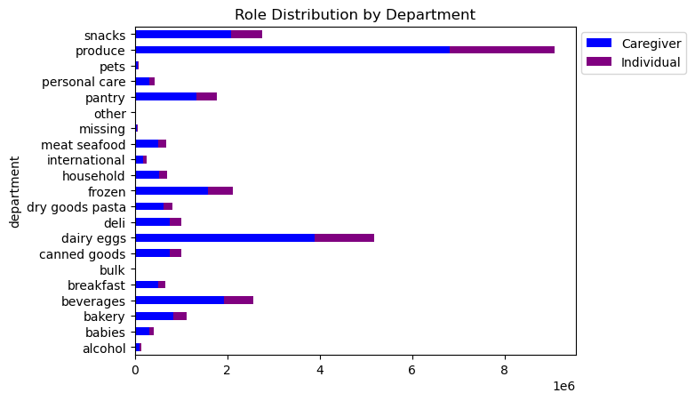

 | Role profile: Caregivers order more from each department than individuals. Produce is the most popular department across all age groups, followed by dairy eggs.

 |  | Distribution of income across age


 | There is not a clear pattern however the younger customers aged under 40 years tend to have lower incomes than those aged above 40 years.

7. Recommendations
 |  |  | Title page

Recommendations

In this tab you should include any recommendations you would made to Instcart in terms of their marketing strategy based on the questions posed in the brief. Every key question has been covered in the Tasks of the Exercises - here you need to add an item - a visualisation or table/crosstable that is showing the answer in the data, acompanied by a comment from you. Please, list the questions below and add the answer underneath.

1. What are the busiest days of the week?

Answer:
The busiest days of the week are Saturday and Sunday. The least busy days of the week are Tuesday and Wednesday.

Recommendations:
Optimize the delivery time slot availability based on the busy and slow days. Provide more flexible and varied delivery options during peak days
Consider offering discounts, or incentives on the slower days of Tuesday and Wednesday to encourage more orders.
Allocate more resources, including customer support staff, on peak days to accommodate the higher demand.

2. What are the busiest hours of the day?

Answer:
The busiest hours of the day are between 10am to 3pm. The least busy hours of the day are between midnight to 6am.

Recommendations:
Consider offering promotions or incentives during the less busy hours to encourage orders during these periods.
Proactively communicate with customers to manage their expectations during the busiest and least busy hours.

3. Are there particular times of the day when people spend the most money?

Answer:
People spend the most money between 3-9am, and they spend the least money between 8-11am.

Recommendation:
Schedule deals for high range products between 3-9am when people tend to spend the most money.
Schedule deals for low and mid range products between 8-11am when people spend the least money.

4. Instacart has many products with different price tags. Marketing and sales wants to use simpler price range groupings to help direct their efforts.

Answer:
Prices have been grouped into 'Low range product', 'Mid range product', and 'High range product'

Low range product: less than or equal to $5
Mid range product: between $5 and $15
High range product: more than $15

5. Which departments have the highest frequency of product orders?

Answer:
The produce, dairy eggs, snacks, and beverages departments have the highest frequency of orders.

Recommendation:
Identify the top selling products in each of these top 4 departments to create ads for respectively.
Investigate less popular departments to see if there are any patterns to help increase sales.
Ensure that the produce, dairy eggs, snacks, and beverages departments are well-stocked to meet the high demand.

6. What is the distribution among users in regards to their brand loyalty?

Answer:
Regular customers -> 10-40 orders
Loyal customers -> more than 40 orders
New customers -> less than 10 orders

Recommendation:
Consider providing special rewards, VIP treatment, or personalized experiences to loyal customers to acknowledge their loyalty
Segment marketing efforts based on customer order frequency.

7. Are there differences in ordering habits based on a customer's loyalty status?

Answer:
Almost all loyal customers (99.96%) are frequent customers, showing strong loyalty.
None of the loyal customers are non-frequent customers.
The majority of regular customers (61%) are frequent customers.
For new customers, the majority (41%) are non-frequent customers.
Loyal customers have a higher percentage of high spenders compared to regular and new customers.

Recommendation:
Develop strategies to increase the conversion of regular customers into frequent customers by providing incentives.
Nurture and maintain the loyalty of frequent customers by providing personalized offers and rewards.

8. Are there differences in ordering habits based on a customer's region?

Answer:
There are no significant differences in order frequency or order amount based on a customer's region. The results between regions are quite similar.

Recommendation:
Continuously analyze customer data to identify any changes in the pattern and implement marketing stratgeies accordingly

9. Is there a connection between age and family status in terms of ordering habits?

Answer:
There are no significant differences in order frequency or amount between a customer's age and family status.

Recommendation:
Develop targeted marketing campaigns that focus on specific customer segments beyond age and family status.

10. What different classifications does the demographic information suggest?

Answer:

By Age: | By Income: | By Role:
34% Seniors | 77% Middle income | 75% Caregiver
30% Adults | 13% High income | 25% Individual
24% Middle Age | 11% Low income
12% Young Adults

Recommendation:
Focus marketing efforts majorly on middle income customers and caregivers since they make up the majority of the customer base.

11. What differences can you find in ordering habits of different customer profiles?

Answer:
Age profile: Seniors place the most orders across all departments, followed by adults. Produce is the most popular department across all age groups, followed by dairy eggs.
Income profile: Middle income customers place the most orders across all departments. High income customers buy more from produce department than low income customers.
Role profile: Caregivers order more from each department than individuals.

Recommendations:
Develop targeted marketing campaigns and promotions tailored to different age groups.
Since the produce department is popular across all age groups, ensure that it is well-stocked
Ensure that the Instacart platform is user-friendly for customers of all age groups and roles.
Actively collect feedback from customers across different profiles to understand their specific needs

